MAIN BOARD
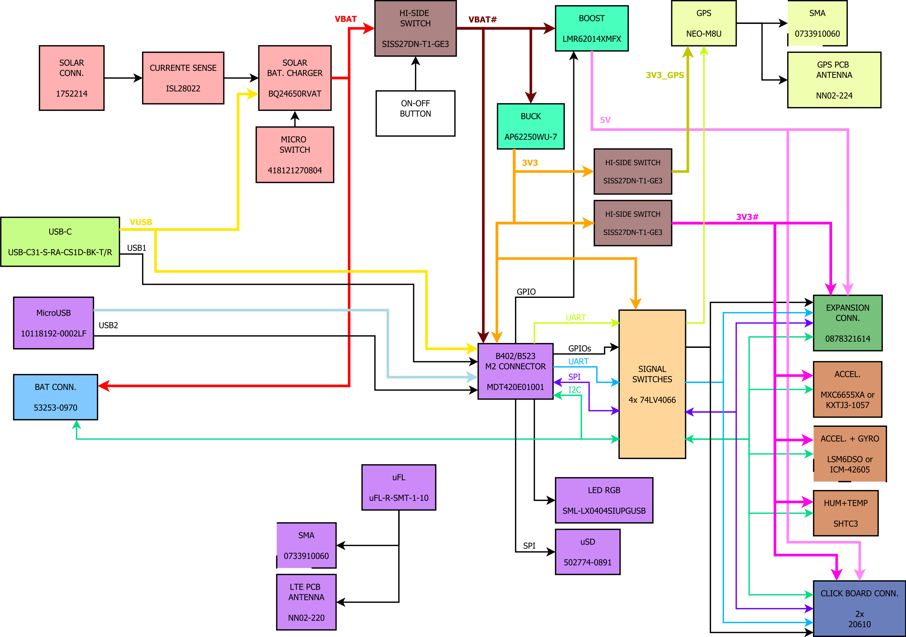
Function | Device category | Part Number | OS Library available for particleOS? | Manufacturer | Quantity per board | Distributor Price (10pcs) | v
Solar Battery Charger + manual MPPT settings | Current Sense | ISL28022FUZ | Y | Renesas | 1 | $3.03
 | Solar multi chemistry charger | BQ24210DQCR | N | Texas Instruments | 1 | $2.72
 | Micro switch | 418121270804 | na | Wurth | 1 | $2.33
 | 2p phoenix connector | 1752214 | na | Phoenix Contact | 1 | $1.43
USB charging port | USB type C connector | USB-C31-S-RA-CS1D-BK-T/R | na | Adam Tech | 1 | $1.82
Battery Connector | 9p single row 2mm connector | 53253-0970 | na | Molex | 1 | $0.41
Power Regulators | Buck converter | AP62250WU-7 | na | Diodes | 1 | $0.44
 | Boost converter | LMR62014XMFX | na | Texas Instruments | 1 | $1.10
Power switches (for additional power saving) | P-Channel MOSFET | SISS27DN-T1-GE3 | na | Vishay | 3 | $0.76
Signal switches (for additional power saving) | Signal switch | 74LV4066 | na | Texas Instruments | 4 | $1.14
Particle Module + USB for debug/FW update + antennas + Signal LED + Data Storage | Particle Module | B402 or B523 | Y | Particle | 1 | $67.49
 | M2 Connector | MDT420E01001 | na | Amphenol | 1 | $2.12
 | uUSB connector | 10118192-0002LF | na | Amphenol | 1 | $0.37
 | uFL patch cable connector | uFL-R-SMT-1-10 | na | Hirose | 1 | $1.14
 | SMA antenna connector | 0733910060 | na | Molex | 1 | $3.62
 | LTE ceramic antenna | NN02-220 | na | Ignion | 1 | $4.07
 | RGB LED | SML-LX0404SIUPGUSB | na | Lumex | 1 | $0.79
 | uSD card connector | 502774-0891 | na | Molex | 1 | $3.58
GPS | GPS Module | NEO-M8U | Y | u-blox | 1 | $36.52
 | SMA antenna connector | 0733910060 | na | Molex | 1 | $3.62
 | GPS ceramic antenna | NN02-224 | na | Ignion | 1 | $3.91 |  | v
Sensors | Accelerometer | MXC6655XA (or KXTJ3-1057) | N | MEMSIC (or Kionix) | 1 | $1.25
 | Accelerometer + Gyroscope | LSM6DSO32TR (or ICM-42605) | Y | ST (or TDK) | 1 | $5.71
 | Temperature sensor | SHTC3 | Y | Sensirion | 1 | $2.21
Clickboard Connectors | 8p single row 2,54mm connector | 20610 | na | 4UCON | 2 | -
Connection to Sensor Board | 16p dual row 2mm connector | 0878321614 | na | Molex | 1 | $1.12

Powe sourcer | Solar panel | Voltaic P105 | na | Voltaic | 1 | $35
Binding System | Magnets | BH #RIRML1 | na | Rigwheel | 2 | $35
Battery | single cell LiPo, 3.7v, min 5aH |  |  |  | 1
MicroSD card | sd card |  | na |  | 1 | $10

